Fan_2019
Fan et al (2019) - Comprehensive method of natural gas pipeline efficiency evaluation based on energy and big data analysis
https://doi.org/10.1016/j.energy.2019.116069

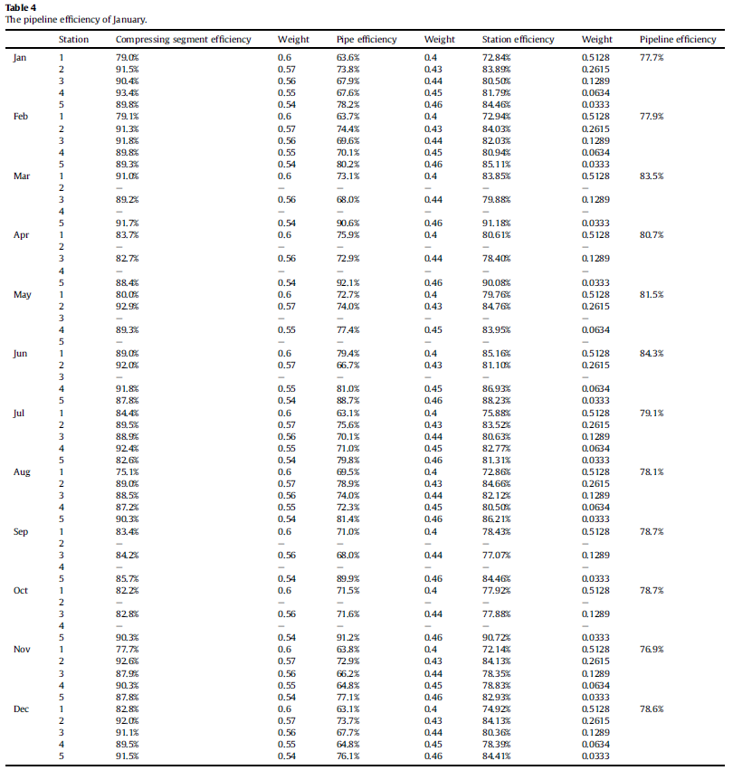
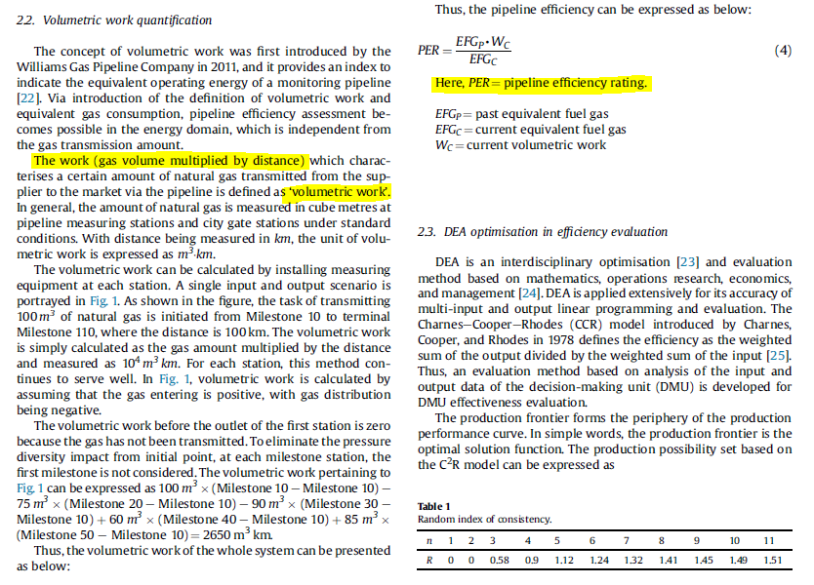
Month | Pipeline efficiency
Jan | 77.70%
Feb | 77.90%
Mar | 83.50%
Apr | 80.70%
May | 81.50%
Jun | 84.30%
Jul | 79.10%
Aug | 78.10%
Sep | 78.70%
Oct | 78.70%
Nov | 76.90%
Dec | 78.60%
Mean | 79.64%

